Fig 1
Figure 1: Median house prices in London exceed those across England and Wales, 1996-2014

Code | Area | 1996 | 1997 | 1998 | 1999 | 2000 | 2001 | 2002 | 2003 | 2004 | 2005 | 2006 | 2007 | 2008 | 2009 | 2010 | 2011 | 2012 | 2013 | 2014

Median house prices, £'000s
E09000001 | City of London | 123,000 | 136,000 | 170,000 | 180,000 | 203,000 | 240,000 | 254,000 | 285,000 | 300,000 | 310,000 | 341,000 | 405,000 | 366,000 | 417,000 | 440,000 | 465,000 | 485,000 | 615,000 | 724,000
E09000002 | Barking and Dagenham | 50,000 | 54,000 | 60,000 | 65,000 | 78,000 | 89,000 | 115,000 | 140,000 | 160,000 | 163,000 | 168,000 | 185,000 | 190,000 | 160,000 | 171,000 | 170,000 | 175,000 | 180,000 | 215,000
E09000003 | Barnet | 87,000 | 100,000 | 114,000 | 135,000 | 160,000 | 174,000 | 209,000 | 235,000 | 250,000 | 250,000 | 275,000 | 295,000 | 280,000 | 290,000 | 326,000 | 324,000 | 330,000 | 345,000 | 400,000
E09000004 | Bexley | 65,000 | 71,000 | 79,000 | 86,000 | 99,000 | 116,000 | 139,000 | 163,000 | 175,000 | 184,000 | 195,000 | 212,000 | 210,000 | 196,000 | 215,000 | 215,000 | 210,000 | 225,000 | 250,000
E09000005 | Brent | 73,000 | 84,000 | 96,000 | 112,000 | 138,000 | 158,000 | 187,000 | 215,000 | 225,000 | 241,000 | 250,000 | 283,000 | 278,000 | 275,000 | 283,000 | 300,000 | 320,000 | 346,000 | 377,000
E09000006 | Bromley | 80,000 | 87,000 | 100,000 | 116,000 | 135,000 | 152,000 | 178,000 | 205,000 | 225,000 | 230,000 | 243,000 | 260,000 | 250,000 | 249,000 | 275,000 | 275,000 | 278,000 | 295,000 | 335,000
E09000007 | Camden | 128,000 | 145,000 | 160,000 | 190,000 | 238,000 | 250,000 | 277,000 | 275,000 | 305,000 | 325,000 | 360,000 | 410,000 | 440,000 | 420,000 | 475,000 | 480,000 | 500,000 | 585,000 | 665,000
E09000008 | Croydon | 64,000 | 71,000 | 79,000 | 89,000 | 109,000 | 126,000 | 151,000 | 172,000 | 186,000 | 195,000 | 206,000 | 223,000 | 228,000 | 201,000 | 220,000 | 220,000 | 230,000 | 239,000 | 265,000
E09000009 | Ealing | 80,000 | 90,000 | 103,000 | 125,000 | 145,000 | 163,000 | 190,000 | 212,000 | 232,000 | 238,000 | 249,000 | 272,000 | 270,000 | 259,000 | 280,000 | 293,000 | 310,000 | 326,000 | 385,000
E09000010 | Enfield | 70,000 | 78,000 | 85,000 | 94,000 | 114,000 | 130,000 | 153,000 | 180,000 | 193,000 | 200,000 | 210,000 | 234,000 | 234,000 | 225,000 | 240,000 | 240,000 | 247,000 | 250,000 | 282,000
E09000011 | Greenwich | 64,000 | 66,000 | 75,000 | 90,000 | 107,000 | 122,000 | 150,000 | 170,000 | 180,000 | 200,000 | 209,000 | 224,000 | 232,000 | 220,000 | 245,000 | 250,000 | 245,000 | 275,000 | 315,000
E09000012 | Hackney | 66,000 | 77,000 | 88,000 | 113,000 | 135,000 | 160,000 | 180,000 | 194,000 | 213,000 | 220,000 | 248,000 | 265,000 | 265,000 | 275,000 | 293,000 | 310,000 | 325,000 | 375,000 | 430,000
E09000013 | Hammersmith and Fulham | 120,000 | 135,000 | 158,000 | 190,000 | 220,000 | 245,000 | 265,000 | 278,000 | 300,000 | 324,000 | 350,000 | 415,000 | 435,000 | 420,000 | 455,000 | 465,000 | 490,000 | 560,000 | 642,000
E09000014 | Haringey | 72,000 | 81,000 | 92,000 | 110,000 | 131,000 | 150,000 | 180,000 | 192,000 | 214,000 | 225,000 | 239,000 | 268,000 | 255,000 | 250,000 | 290,000 | 302,000 | 315,000 | 337,000 | 405,000
E09000015 | Harrow | 83,000 | 94,000 | 108,000 | 124,000 | 147,000 | 165,000 | 197,000 | 230,000 | 245,000 | 249,000 | 250,000 | 280,000 | 275,000 | 250,000 | 292,000 | 295,000 | 300,000 | 325,000 | 369,000
E09000016 | Havering | 69,000 | 74,000 | 83,000 | 90,000 | 110,000 | 122,000 | 145,000 | 174,000 | 188,000 | 195,000 | 205,000 | 223,000 | 222,000 | 200,000 | 220,000 | 220,000 | 220,000 | 232,000 | 250,000
E09000017 | Hillingdon | 73,000 | 80,000 | 89,000 | 104,000 | 125,000 | 140,000 | 167,000 | 191,000 | 210,000 | 219,000 | 230,000 | 245,000 | 246,000 | 230,000 | 250,000 | 249,000 | 250,000 | 268,000 | 302,000
E09000018 | Hounslow | 73,000 | 80,000 | 95,000 | 113,000 | 130,000 | 148,000 | 175,000 | 200,000 | 215,000 | 220,000 | 236,000 | 250,000 | 249,000 | 240,000 | 250,000 | 250,000 | 263,000 | 280,000 | 317,000
E09000019 | Islington | 101,000 | 119,000 | 145,000 | 170,000 | 198,000 | 215,000 | 245,000 | 246,000 | 250,000 | 270,000 | 298,000 | 348,000 | 350,000 | 345,000 | 385,000 | 399,000 | 407,000 | 463,000 | 529,000
E09000020 | Kensington and Chelsea | 195,000 | 225,000 | 245,000 | 284,000 | 340,000 | 360,000 | 400,000 | 405,000 | 450,000 | 465,000 | 525,000 | 650,000 | 700,000 | 675,000 | 750,000 | 790,000 | 890,000 | 975,000 | 1,198,000
E09000021 | Kingston upon Thames | 86,000 | 95,000 | 110,000 | 130,000 | 154,000 | 170,000 | 198,000 | 215,000 | 235,000 | 240,000 | 250,000 | 290,000 | 285,000 | 270,000 | 301,000 | 300,000 | 318,000 | 335,000 | 385,000
E09000022 | Lambeth | 74,000 | 85,000 | 100,000 | 121,000 | 156,000 | 172,000 | 195,000 | 203,000 | 220,000 | 230,000 | 246,000 | 280,000 | 275,000 | 275,000 | 303,000 | 310,000 | 320,000 | 350,000 | 420,000
E09000023 | Lewisham | 57,000 | 64,000 | 71,000 | 82,000 | 100,000 | 120,000 | 145,000 | 165,000 | 180,000 | 185,000 | 203,000 | 225,000 | 227,000 | 215,000 | 235,000 | 240,000 | 249,000 | 260,000 | 315,000
E09000024 | Merton | 80,000 | 85,000 | 97,000 | 120,000 | 140,000 | 160,000 | 185,000 | 200,000 | 225,000 | 233,000 | 242,000 | 265,000 | 264,000 | 250,000 | 290,000 | 295,000 | 290,000 | 320,000 | 385,000
E09000025 | Newham | 50,000 | 56,000 | 64,000 | 72,000 | 92,000 | 110,000 | 141,000 | 172,000 | 187,000 | 197,000 | 211,000 | 230,000 | 236,000 | 198,000 | 220,000 | 219,000 | 219,000 | 230,000 | 250,000
E09000026 | Redbridge | 71,000 | 77,000 | 85,000 | 97,000 | 119,000 | 138,000 | 169,000 | 196,000 | 220,000 | 227,000 | 240,000 | 250,000 | 250,000 | 230,000 | 250,000 | 250,000 | 265,000 | 272,000 | 300,000
E09000027 | Richmond upon Thames | 118,000 | 135,000 | 157,000 | 182,000 | 218,000 | 226,000 | 250,000 | 269,000 | 292,000 | 300,000 | 330,000 | 383,000 | 374,000 | 378,000 | 400,000 | 420,000 | 430,000 | 475,000 | 536,000
E09000028 | Southwark | 72,000 | 85,000 | 99,000 | 123,000 | 155,000 | 180,000 | 190,000 | 209,000 | 223,000 | 238,000 | 248,000 | 276,000 | 280,000 | 285,000 | 315,000 | 320,000 | 330,000 | 350,000 | 410,000
E09000029 | Sutton | 69,000 | 75,000 | 85,000 | 98,000 | 119,000 | 132,000 | 156,000 | 175,000 | 188,000 | 200,000 | 210,000 | 234,000 | 232,000 | 210,000 | 235,000 | 233,000 | 240,000 | 250,000 | 285,000
E09000030 | Tower Hamlets | 77,000 | 95,000 | 115,000 | 140,000 | 163,000 | 183,000 | 200,000 | 210,000 | 230,000 | 236,000 | 249,000 | 290,000 | 291,000 | 288,000 | 305,000 | 300,000 | 305,000 | 328,000 | 380,000
E09000031 | Waltham Forest | 56,000 | 62,000 | 71,000 | 80,000 | 96,000 | 118,000 | 149,000 | 173,000 | 188,000 | 199,000 | 215,000 | 240,000 | 234,000 | 212,000 | 230,000 | 230,000 | 241,000 | 265,000 | 320,000
E09000032 | Wandsworth | 94,000 | 108,000 | 125,000 | 155,000 | 182,000 | 204,000 | 235,000 | 242,000 | 260,000 | 277,000 | 314,000 | 356,000 | 350,000 | 350,000 | 380,000 | 390,000 | 417,000 | 463,000 | 533,000
E09000033 | Westminster | 135,000 | 163,000 | 180,000 | 220,000 | 250,000 | 280,000 | 318,000 | 326,000 | 350,000 | 380,000 | 415,000 | 475,000 | 495,000 | 500,000 | 585,000 | 600,000 | 632,000 | 725,000 | 857,000

 | Minimum | 50,000 | 54,000 | 60,000 | 65,000 | 78,000 | 89,000 | 115,000 | 140,000 | 160,000 | 163,000 | 168,000 | 185,000 | 190,000 | 160,000 | 171,000 | 170,000 | 175,000 | 180,000 | 215,000
 | Maximum | 195,000 | 225,000 | 245,000 | 284,000 | 340,000 | 360,000 | 400,000 | 405,000 | 450,000 | 465,000 | 525,000 | 650,000 | 700,000 | 675,000 | 750,000 | 790,000 | 890,000 | 975,000 | 1,198,000
 | Min-Max | 145,000 | 172,000 | 185,000 | 219,000 | 262,000 | 271,000 | 285,000 | 265,000 | 290,000 | 302,000 | 357,000 | 465,000 | 510,000 | 515,000 | 579,000 | 620,000 | 715,000 | 795,000 | 983,000

E13000001 | Inner London | 87,000 | 100,000 | 117,000 | 143,000 | 170,000 | 185,000 | 215,000 | 225,000 | 240,000 | 250,000 | 275,000 | 313,000 | 314,000 | 323,000 | 350,000 | 360,000 | 370,000 | 403,000 | 462,000
E13000002 | Outer London | 74,000 | 80,000 | 90,000 | 106,000 | 125,000 | 140,000 | 169,000 | 190,000 | 210,000 | 218,000 | 230,000 | 249,000 | 248,000 | 235,000 | 250,000 | 250,000 | 263,000 | 280,000 | 316,000

E12000001 | North East | 45,000 | 47,000 | 48,000 | 50,000 | 52,000 | 55,000 | 60,000 | 77,000 | 95,000 | 108,000 | 119,000 | 122,000 | 120,000 | 120,000 | 122,000 | 117,000 | 120,000 | 122,000 | 125,000
E12000002 | North West | 47,000 | 49,000 | 51,000 | 54,000 | 56,000 | 60,000 | 70,000 | 85,000 | 107,000 | 118,000 | 127,000 | 135,000 | 130,000 | 130,000 | 130,000 | 127,000 | 130,000 | 131,000 | 136,000
E12000003 | Yorkshire And The Humber | 47,000 | 49,000 | 50,000 | 53,000 | 56,000 | 60,000 | 70,000 | 88,000 | 110,000 | 120,000 | 129,000 | 135,000 | 130,000 | 130,000 | 135,000 | 130,000 | 130,000 | 135,000 | 138,000
E12000004 | East Midlands | 48,000 | 51,000 | 54,000 | 58,000 | 62,000 | 70,000 | 85,000 | 107,000 | 126,000 | 132,000 | 137,000 | 145,000 | 138,000 | 135,000 | 140,000 | 135,000 | 138,000 | 141,000 | 149,000
E12000005 | West Midlands | 51,000 | 55,000 | 58,000 | 61,000 | 67,000 | 76,000 | 90,000 | 110,000 | 128,000 | 134,000 | 142,000 | 147,000 | 142,000 | 142,000 | 147,000 | 140,000 | 145,000 | 148,000 | 153,000
E12000006 | East | 59,000 | 64,000 | 69,000 | 76,000 | 87,000 | 100,000 | 125,000 | 146,000 | 164,000 | 170,000 | 178,000 | 190,000 | 186,000 | 175,000 | 195,000 | 190,000 | 193,000 | 200,000 | 215,000
E12000007 | London | 77,000 | 86,000 | 97,000 | 118,000 | 138,000 | 155,000 | 181,000 | 200,000 | 220,000 | 230,000 | 245,000 | 265,000 | 260,000 | 250,000 | 288,000 | 292,000 | 300,000 | 322,000 | 364,000
E12000008 | South East | 69,000 | 75,000 | 83,000 | 93,000 | 112,000 | 126,000 | 148,000 | 170,000 | 185,000 | 193,000 | 203,000 | 220,000 | 215,000 | 203,000 | 229,000 | 223,000 | 229,000 | 235,000 | 250,000
E12000009 | South West | 58,000 | 60,000 | 67,000 | 74,000 | 85,000 | 97,000 | 123,000 | 145,000 | 165,000 | 170,000 | 179,000 | 191,000 | 185,000 | 175,000 | 190,000 | 185,000 | 187,000 | 190,000 | 200,000

E92000001 | England | 58,000 | 60,000 | 66,000 | 74,000 | 82,000 | 92,000 | 114,000 | 133,000 | 152,000 | 160,000 | 169,000 | 178,000 | 174,000 | 170,000 | 185,000 | 180,000 | 183,000 | 188,000 | 195,000
W92000004 | Wales | 46,000 | 48,000 | 50,000 | 54,000 | 57,000 | 60,000 | 70,000 | 88,000 | 115,000 | 125,000 | 133,000 | 140,000 | 135,000 | 133,000 | 135,000 | 130,000 | 133,000 | 135,000 | 138,000
K04000001 | England And Wales | 57,000 | 60,000 | 65,000 | 73,000 | 80,000 | 90,000 | 110,000 | 130,000 | 150,000 | 158,000 | 167,000 | 176,000 | 170,000 | 169,000 | 182,000 | 176,000 | 180,000 | 185,000 | 192,000

Theme | Housing |  |  |  |  |  |  |  |  |  |  |  |  |  |  |  |  |  |  |  | #REF!
Sub-theme | House Prices- Sales

Title | Average house prices (median)
Description | Annual median house prices
Publisher | DCLG, Land Registry
Date.available | January 1995 to February 2015 Land Registry data
Creator | Land Registry
Date.created | Jul-15
Coverage.spatial | Local Authority
Coverage.temporal | Annual
Type | Administrative
Language | English
Rights | Crown Copyright
More info | http://www.landregistry.gov.uk/public/information/public-data/hpi-background
Download from | https://www.gov.uk/government/organisations/department-for-communities-and-local-government/series/housing-market
Measure | GBP
Notes | Excluded from the above figures are sales at less than market price (e.g. Right To Buy), sales below £1,000 and sales above £20m.
 | The "median" property price is determined by ranking all property prices in ascending order.
 | The median is the mid-point of this ranking with 50 per cent of prices below the median and 50 per cent above
 | The figures for the latest quarter are provisional and figures for all other quarters have been revised.
 | CLG Table numbers: 581, 582, 585 and 586
 | From the 1st of November 2012 DCLG no longer publishes this data at regional level.
 | Data in the Indices and Average Prices tabs are smoothed seasonally adjusted.
 | Average Prices is in £s.

Fig 5
Figure 5: Volatility of year-on-year nominal house price inflation in London and the UK
 |  | All dwellings
 |  | 1-yr % change, nominal | nominal index | 1-yr % change, nominal
 | Mix-adjusted HPI, UK | UK | Mix-adjusted HPI, London | London
 | UK |  | London
Annual nominal % change
 | London | UK
1969
1970 | 10.4 | 6.3
1971 | 15.4 | 11.9
1972 | 42.2 | 33.8
1973 | 29.7 | 36.2
1974 | 2.3 | 8.3
1975 | 2.3 | 5.9
1976 | 7.4 | 8.9
1977 | 7.1 | 7.6
1978 | 19.0 | 15.8
1979 | 33.8 | 29.3
1980 | 22.0 | 21.2
1981 | 3.1 | 5.5
1982 | 1.5 | 2.5
1983 | 12.8 | 11.9
1984 | 16.1 | 9.1
1985 | 13.9 | 9.1
1986 | 21.8 | 13.9
1987 | 24.8 | 16.5
1988 | 23.0 | 25.6
1989 | 8.6 | 21.0
1990 | -1.8 | -1.3
1991 | -4.0 | -1.4
1992 | -10.2 | -3.8
1993 | -1.6 | -2.5
1994 | 5.2 | 2.5
1995 | 1.0 | 0.7
1996 | 2.8 | 3.6
1997 | 14.9 | 9.4
1998 | 14.7 | 10.9
1999 | 23.4 | 11.5
2000 | 18.0 | 14.3
2001 | 10.5 | 8.4
2002 | 9.9 | 17.0
2003 | 9.1 | 15.7
2004 | 7.2 | 11.8
2005 | 3.0 | 5.6
2006 | 7.1 | 6.3
2007 | 15.4 | 10.9
2008 | 1.0 | -0.8
2009 | -8.2 | -7.6
2010 | 12.1 | 7.3
2011 | 2.8 | -0.9
2012 | 4.7 | 1.6
2013 | 8.6 | 3.5
2014 | 17.4 | 10.0
1969 | 3.8 |  | 3.0
1970 | 4.0 | 6.3 | 3.3 | 10.4
1971 | 4.5 | 11.9 | 3.8 | 15.4
1972 | 6.0 | 33.8 | 5.4 | 42.2
1973 | 8.2 | 36.2 | 7.0 | 29.7
1974 | 8.9 | 8.3 | 7.2 | 2.3
1975 | 9.4 | 5.9 | 7.4 | 2.3
1976 | 10.3 | 8.9 | 7.9 | 7.4
1977 | 11.0 | 7.6 | 8.5 | 7.1
1978 | 12.8 | 15.8 | 10.1 | 19.0
1979 | 16.5 | 29.3 | 13.5 | 33.8
1980 | 20.0 | 21.2 | 16.4 | 22.0
1981 | 21.1 | 5.5 | 16.9 | 3.1
1982 | 21.6 | 2.5 | 17.2 | 1.5
1983 | 24.2 | 11.9 | 19.4 | 12.8
1984 | 26.4 | 9.1 | 22.5 | 16.1
1985 | 28.8 | 9.1 | 25.6 | 13.9
1986 | 32.8 | 13.9 | 31.2 | 21.8
1987 | 38.3 | 16.5 | 38.9 | 24.8
1988 | 48.0 | 25.6 | 47.9 | 23.0
1989 | 58.1 | 21.0 | 52.0 | 8.6
1990 | 57.4 | -1.3 | 51.0 | -1.8
1991 | 56.6 | -1.4 | 49.0 | -4.0
1992 | 54.4 | -3.8 | 44.0 | -10.2
1993 | 53.1 | -2.5 | 43.3 | -1.6
1994 | 54.4 | 2.5 | 45.5 | 5.2
1995 | 54.8 | 0.7 | 46.0 | 1.0
1996 | 56.7 | 3.6 | 47.3 | 2.8
1997 | 62.0 | 9.4 | 54.3 | 14.9
1998 | 68.8 | 10.9 | 62.3 | 14.7
1999 | 76.7 | 11.5 | 76.9 | 23.4
2000 | 87.7 | 14.3 | 90.8 | 18.0
2001 | 95.1 | 8.4 | 100.3 | 10.5
2002 | 111.2 | 17.0 | 110.3 | 9.9
2003 | 128.7 | 15.7 | 120.3 | 9.1
2004 | 143.9 | 11.8 | 128.9 | 7.2
2005 | 151.8 | 5.6 | 132.6 | 3.0
2006 | 161.4 | 6.3 | 142.1 | 7.1
2007 | 179.0 | 10.9 | 164.0 | 15.4
2008 | 177.3 | -0.8 | 165.2 | 1.0
2009 | 163.5 | -7.6 | 151.3 | -8.2
2010 | 175.3 | 7.3 | 169.3 | 12.1
2011 | 173.6 | -0.9 | 174.1 | 2.8
2012 | 176.5 | 1.6 | 182.3 | 4.7
2013 | 182.7 | 3.5 | 198.1 | 8.6
2014 | 201.0 | 10.0 | 232.5 | 17.4

Source: ONS mix-adjusted house prices index, reference table 33.

1 Based on mortgages completed and adjusted for the mix of dwellings sold
2 Data up to and including 2002 is from 5% sample.
Data from 2003 is based on a significantly enhanced sample size.
Data from September 2005 is collected via the Regulated Mortgage Survey. 2005 data is based on combined data from the Survey of Mortgage Lenders and the Regulated Mortgage Survey.
3 Data only available back to 1986 on a Government Office Region basis.
4 Data only available back to 1999 on a Government Office Region basis.
5 The data are not seasonally adjusted.
RPI source: ONS MM23 Consumer Price Indices

Fig 6
Figure 6: Volatility of year-on-year real house price inflation in London and the UK
 | All dwellings
 | nominal index | 1-yr % change, real | nominal index | 1-yr % change, real
 | Mix-adjusted HPI, UK | UK | Mix-adjusted HPI, London | London | RPI all item | Average annual house price inflation (RPI)
 | UK |  | London
Annual real % change
 | London | UK
1969
1970 | 3.4 | -1.1
1971 | 5.2 | 2.8
1972 | 32.7 | 24.5
1973 | 18.8 | 25.3
1974 | -11.4 | -6.5
1975 | -17.3 | -15.0
1976 | -8.4 | -6.0
1977 | -7.1 | -7.8
1978 | 9.7 | 7.4
1979 | 17.9 | 13.7
1980 | 3.0 | 2.7
1981 | -7.9 | -5.7
1982 | -6.3 | -5.7
1983 | 7.8 | 7.1
1984 | 10.5 | 3.9
1985 | 7.3 | 2.8
1986 | 17.9 | 10.1
1987 | 19.7 | 12.1
1988 | 17.4 | 19.5
1989 | 0.7 | 12.3
1990 | -10.4 | -9.7
1991 | -9.2 | -6.9
1992 | -13.4 | -7.4
1993 | -3.1 | -3.9
1994 | 2.6 | 0.0
1995 | -2.3 | -2.6
1996 | 0.4 | 1.0
1997 | 11.3 | 6.0
1998 | 10.9 | 7.3
1999 | 21.6 | 9.8
2000 | 14.7 | 11.1
2001 | 8.5 | 6.6
2002 | 8.2 | 15.0
2003 | 6.0 | 12.5
2004 | 4.0 | 8.6
2005 | 0.0 | 2.6
2006 | 3.8 | 3.0
2007 | 10.7 | 6.4
2008 | -3.2 | -4.7
2009 | -7.9 | -7.3
2010 | 7.0 | 2.5
2011 | -2.3 | -5.9
2012 | 1.5 | -1.5
2013 | 5.4 | 0.5
2014 | 14.7 | 7.5
1969 | 3.8 |  | 3.0 |  | 68.7 | 0.00
1970 | 4.0 | -1.1 | 3.3 | 3.4 | 73.1 | 6.4%
1971 | 4.5 | 2.8 | 3.8 | 5.2 | 80.0 | 9.4%
1972 | 6.0 | 24.5 | 5.4 | 32.7 | 85.7 | 7.1%
1973 | 8.2 | 25.3 | 7.0 | 18.8 | 93.5 | 9.1%
1974 | 8.9 | -6.5 | 7.2 | -11.4 | 108.5 | 16.0%
1975 | 9.4 | -15.0 | 7.4 | -17.3 | 134.8 | 24.2%
1976 | 10.3 | -6.0 | 7.9 | -8.4 | 157.1 | 16.5%
1977 | 11.0 | -7.8 | 8.5 | -7.1 | 182.0 | 15.8%
1978 | 12.8 | 7.4 | 10.1 | 9.7 | 197.1 | 8.3%
1979 | 16.5 | 13.7 | 13.5 | 17.9 | 223.5 | 13.4%
1980 | 20.0 | 2.7 | 16.4 | 3.0 | 263.7 | 18.0%
1981 | 21.1 | -5.7 | 16.9 | -7.9 | 295.0 | 11.9%
1982 | 21.6 | -5.7 | 17.2 | -6.3 | 320.4 | 8.6%
1983 | 24.2 | 7.1 | 19.4 | 7.8 | 335.1 | 4.6%
1984 | 26.4 | 3.9 | 22.5 | 10.5 | 351.8 | 5.0%
1985 | 28.8 | 2.8 | 25.6 | 7.3 | 373.2 | 6.1%
1986 | 32.8 | 10.1 | 31.2 | 17.9 | 385.9 | 3.4%
1987 | 38.3 | 12.1 | 38.9 | 19.7 | 402.0 | 4.2%
1988 | 48.0 | 19.5 | 47.9 | 17.4 | 421.7 | 4.9%
1989 | 58.1 | 12.3 | 52.0 | 0.7 | 454.5 | 7.8%
1990 | 57.4 | -9.7 | 51.0 | -10.4 | 497.5 | 9.5%
1991 | 56.6 | -6.9 | 49.0 | -9.2 | 526.7 | 5.9%
1992 | 54.4 | -7.4 | 44.0 | -13.4 | 546.4 | 3.7%
1993 | 53.1 | -3.9 | 43.3 | -3.1 | 555.1 | 1.6%
1994 | 54.4 | 0.0 | 45.5 | 2.6 | 568.5 | 2.4%
1995 | 54.8 | -2.6 | 46.0 | -2.3 | 588.2 | 3.5%
1996 | 56.7 | 1.0 | 47.3 | 0.4 | 602.4 | 2.4%
1997 | 62.0 | 6.0 | 54.3 | 11.3 | 621.3 | 3.1%
1998 | 68.8 | 7.3 | 62.3 | 10.9 | 642.6 | 3.4%
1999 | 76.7 | 9.8 | 76.9 | 21.6 | 652.5 | 1.5%
2000 | 87.7 | 11.1 | 90.8 | 14.7 | 671.8 | 3.0%
2001 | 95.1 | 6.6 | 100.3 | 8.5 | 683.7 | 1.8%
2002 | 111.2 | 15.0 | 110.3 | 8.2 | 695.1 | 1.7%
2003 | 128.7 | 12.5 | 120.3 | 6.0 | 715.2 | 2.9%
2004 | 143.9 | 8.6 | 128.9 | 4.0 | 736.5 | 3.0%
2005 | 151.8 | 2.6 | 132.6 | 0.0 | 757.3 | 2.8%
2006 | 161.4 | 3.0 | 142.1 | 3.8 | 781.5 | 3.2%
2007 | 179.0 | 6.4 | 164.0 | 10.7 | 815.0 | 4.3%
2008 | 177.3 | -4.7 | 165.2 | -3.2 | 847.5 | 4.0%
2009 | 163.5 | -7.3 | 151.3 | -7.9 | 843.0 | -0.5%
2010 | 175.3 | 2.5 | 169.3 | 7.0 | 881.9 | 4.6%
2011 | 173.6 | -5.9 | 174.1 | -2.3 | 927.8 | 5.2%
2012 | 176.5 | -1.5 | 182.3 | 1.5 | 957.6 | 3.2%
2013 | 182.7 | 0.5 | 198.1 | 5.4 | 986.7 | 3.0%
2014 | 201.0 | 7.5 | 232.5 | 14.7 | 1010.0 | 2.4%

Source: ONS mix-adjusted house prices index, reference table 33.

1 Based on mortgages completed and adjusted for the mix of dwellings sold
2 Data up to and including 2002 is from 5% sample.
Data from 2003 is based on a significantly enhanced sample size.
Data from September 2005 is collected via the Regulated Mortgage Survey. 2005 data is based on combined data from the Survey of Mortgage Lenders and the Regulated Mortgage Survey.
3 Data only available back to 1986 on a Government Office Region basis.
4 Data only available back to 1999 on a Government Office Region basis.
5 The data are not seasonally adjusted.
RPI source: ONS MM23 Consumer Price Indices

Fig 7
Figure 7: Nominal and real house price levels in London and the business cycle, 1969-2014
 |  | All dwellings
 | rebased 2003 = 100 | 1-yr % change | real index (2003 prices) |  | rebased 2003 = 100 | 1-yr % change | real index (2003 prices) | Downturn
 | UK, nominal mix-adjusted HPI | UK | UK, real | RPI | London, nominal mix-adjusted HPI | London | Real HPI (2003 prices) | Business cycle (UK annual change in GDP)
 | UK |  |  |  | London
1969 | 3.0 |  | 30.7 | 68.7 | 2.5 |  | 26.0 | 1
1970 | 3.1 | 6.3 | 30.4 | 73.1 | 2.7 | 10.4 | 26.8 | 1
1971 | 3.5 | 11.9 | 31.3 | 80.0 | 3.2 | 15.4 | 28.2 | 1
1972 | 4.7 | 33.8 | 38.9 | 85.7 | 4.5 | 42.2 | 37.5 | 1
1973 | 6.4 | 36.2 | 48.7 | 93.5 | 5.8 | 29.7 | 44.5 | 1
1974 | 6.9 | 8.3 | 45.6 | 108.5 | 6.0 | 2.3 | 39.5 | 2
1975 | 7.3 | 5.9 | 38.8 | 134.8 | 6.2 | 2.3 | 32.6 | 2
1976 | 8.0 | 8.9 | 36.4 | 157.1 | 6.6 | 7.4 | 29.9 | 1
1977 | 8.6 | 7.6 | 33.6 | 182.0 | 7.1 | 7.1 | 27.8 | 1
1978 | 10.0 | 15.8 | 36.1 | 197.1 | 8.4 | 19.0 | 30.5 | 1
1979 | 12.8 | 29.3 | 41.0 | 223.5 | 11.2 | 33.8 | 35.9 | 1
1980 | 15.5 | 21.2 | 42.2 | 263.7 | 13.6 | 22.0 | 37.0 | 2
1981 | 16.4 | 5.5 | 39.8 | 295.0 | 14.1 | 3.1 | 34.1 | 2
1982 | 16.8 | 2.5 | 37.5 | 320.4 | 14.3 | 1.5 | 31.9 | 1
1983 | 18.8 | 11.9 | 40.1 | 335.1 | 16.1 | 12.8 | 34.4 | 1
1984 | 20.5 | 9.1 | 41.7 | 351.8 | 18.7 | 16.1 | 38.0 | 1
1985 | 22.4 | 9.1 | 42.9 | 373.2 | 21.3 | 13.9 | 40.8 | 1
1986 | 25.5 | 13.9 | 47.2 | 385.9 | 25.9 | 21.8 | 48.1 | 1
1987 | 29.8 | 16.5 | 52.9 | 402.0 | 32.3 | 24.8 | 57.5 | 1
1988 | 37.3 | 25.6 | 63.3 | 421.7 | 39.8 | 23.0 | 67.5 | 1
1989 | 45.1 | 21.0 | 71.0 | 454.5 | 43.2 | 8.6 | 68.0 | 1
1990 | 44.6 | -1.3 | 64.1 | 497.5 | 42.4 | -1.8 | 61.0 | 2
1991 | 44.0 | -1.4 | 59.7 | 526.7 | 40.7 | -4.0 | 55.3 | 2
1992 | 42.3 | -3.8 | 55.3 | 546.4 | 36.6 | -10.2 | 47.9 | 1
1993 | 41.3 | -2.5 | 53.2 | 555.1 | 36.0 | -1.6 | 46.4 | 1
1994 | 42.3 | 2.5 | 53.2 | 568.5 | 37.8 | 5.2 | 47.6 | 1
1995 | 42.6 | 0.7 | 51.8 | 588.2 | 38.2 | 1.0 | 46.5 | 1
1996 | 44.1 | 3.6 | 52.3 | 602.4 | 39.3 | 2.8 | 46.7 | 1
1997 | 48.2 | 9.4 | 55.5 | 621.3 | 45.1 | 14.9 | 52.0 | 1
1998 | 53.5 | 10.9 | 59.5 | 642.6 | 51.8 | 14.7 | 57.6 | 1
1999 | 59.6 | 11.5 | 65.3 | 652.5 | 63.9 | 23.4 | 70.1 | 1
2000 | 68.1 | 14.3 | 72.6 | 671.8 | 75.5 | 18.0 | 80.4 | 1
2001 | 73.9 | 8.4 | 77.3 | 683.7 | 83.4 | 10.5 | 87.2 | 1
2002 | 86.4 | 17.0 | 88.9 | 695.1 | 91.7 | 9.9 | 94.3 | 1
2003 | 100.0 | 15.7 | 100.0 | 715.2 | 100.0 | 9.1 | 100.0 | 1
2004 | 111.8 | 11.8 | 108.6 | 736.5 | 107.2 | 7.2 | 104.1 | 1
2005 | 118.0 | 5.6 | 111.4 | 757.3 | 110.2 | 3.0 | 104.1 | 1
2006 | 125.4 | 6.3 | 114.8 | 781.5 | 118.1 | 7.1 | 108.1 | 1
2007 | 139.1 | 10.9 | 122.1 | 815.0 | 136.4 | 15.4 | 119.7 | 1
2008 | 137.8 | -0.8 | 116.3 | 847.5 | 137.3 | 1.0 | 115.9 | 2
2009 | 127.0 | -7.6 | 107.8 | 843.0 | 125.7 | -8.2 | 106.7 | 2
2010 | 136.2 | 7.3 | 110.5 | 881.9 | 140.8 | 12.1 | 114.2 | 1
2011 | 134.9 | -1.0 | 104.0 | 927.8 | 144.7 | 2.8 | 111.6 | 1
2012 | 137.1 | 1.6 | 102.4 | 957.6 | 151.6 | 4.7 | 113.2 | 1
2013 | 142.0 | 3.5 | 102.9 | 986.7 | 164.6 | 8.6 | 119.3 | 1
2014 | 156.2 | 10.0 | 110.6 | 1010.0 | 193.2 | 17.4 | 136.8 | 1

Source: ONS mix-adjusted house prices index, reference table 33.

1 Based on mortgages completed and adjusted for the mix of dwellings sold
2 Data up to and including 2002 is from 5% sample. Data from 2003 is based on a significantly enhanced sample size. Data from September 2005 is collected via the Regulated Mortgage Survey. 2005 data is based on combined data from the Survey of Mortgage Lenders and the Regulated Mortgage Survey.
3 The data are not seasonally adjusted.

Fig 8
Figure 8: Median house price to earnings ratio in London and England, 1997-2014
 | 1997 | 1998 | 1999 | 2000 | 2001 | 2002 | 2003 | 2004 | 2005 | 2006 | 2007 | 2008 | 2009 | 2010 | 2011 | 2012 | 2013 | 2014p
England (median earnings) | 3.6 | 3.8 | 4.1 | 4.3 | 4.6 | 5.5 | 6.2 | 6.8 | 6.9 | 7.1 | 7.3 | 6.8 | 6.5 | 7.0 | 6.8 | 6.8 | 6.8 | 7.1
London (median earnings) | 3.7 | 3.9 | 4.3 | 4.9 | 5.5 | 6.1 | 6.9 | 7.4 | 7.8 | 8.0 | 8.2 | 8.5 | 8.1 | 7.8 | 9.0 | 9.0 | 9.2 | 9.8

England (70th percentile earnings) | 2.7 | 2.9 | 3.2 | 3.3 | 3.6 | 4.2 | 4.7 | 5.2 | 5.3 | 5.4 | 5.5 | 5.2 | 5.0 | 5.4 | 5.2 | 5.2 | 5.2 | 5.4
London (70th percentile earnings) | 3.2 | 3.4 | 4.0 | 4.4 | 4.8 | 5.6 | 6.0 | 6.3 | 6.3 | 6.6 | 6.9 | 6.5 | 6.1 | 7.0 | 7.0 | 7.0 | 7.5 | 8.4
Median house price to earnings ratios

Sources:
ONS Annual Survey of Hours and Earnings, tables 7.7a and 8.7a
HM Land Registry price paid data

Notes:
Data on earnings are workplace-based from 1997 to 2001, and residence-based from 2002 when this data series began. Data for 2014 are provisional.
Information on earnings and hours is obtained in confidence from employers. It does not cover the self-employed nor does it cover employees not paid during the reference period.
The statistics used are full-time individual median earnings (excluding overtime).
Land Registry data on median house prices excludes sales below market price (e.g. Right to Buy), and those above £20 million.

Fig 9
Figure 9: House price to earnings ratio in London, 1969-2014

 | £s | £s | London
 | Median full-time earnings | ONS simple average house prices | Average house price to earnings ratio
1969 | 970 | 6,195 | 6.4
1970 | 1,080 | 6,882 | 6.4
1971 | 1,200 | 7,937 | 6.6
1972 | 1,340 | 11,113 | 8.3
1973 | 1,520 | 14,447 | 9.5
1974 | 1,750 | 14,857 | 8.5
1975 | 2,350 | 14,918 | 6.4
1976 | 2,770 | 15,566 | 5.6
1977 | 3,030 | 16,745 | 5.5
1978 | 3,390 | 19,160 | 5.7
1979 | 3,890 | 25,793 | 6.6
1980 | 4,820 | 30,968 | 6.4
1981 | 5,500 | 30,757 | 5.6
1982 | 6,080 | 30,712 | 5.1
1983 | 6,620 | 34,640 | 5.2
1984 | 7,160 | 39,346 | 5.5
1985 | 7,700 | 44,301 | 5.8
1986 | 8,400 | 54,863 | 6.5
1987 | 9,110 | 66,024 | 7.2
1988 | 10,080 | 77,697 | 7.7
1989 | 11,170 | 82,383 | 7.4
1990 | 12,390 | 83,821 | 6.8
1991 | 13,370 | 85,742 | 6.4
1992 | 14,280 | 78,049 | 5.5
1993 | 15,010 | 81,332 | 5.4
1994 | 15,320 | 87,631 | 5.7
1995 | 16,040 | 89,528 | 5.6
1996 | 16,530 | 94,065 | 5.7
1997 | 17,670 | 105,819 | 6.0
1998 | 18,540 | 114,783 | 6.2
1999 | 19,130 | 142,321 | 7.4
2000 | 20,060 | 163,577 | 8.2
2001 | 21,210 | 182,325 | 8.6
2002 | 22,120 | 207,246 | 9.4
2003 | 23,050 | 241,864 | 10.5
2004 | 23,770 | 272,886 | 11.5
2005 | 24,740 | 282,548 | 11.4
2006 | 25,200 | 305,544 | 12.1
2007 | 26,000 | 342,122 | 13.2
2008 | 27,110 | 351,494 | 13.0
2009 | 27,870 | 338,120 | 12.1
2010 | 28,420 | 384,646 | 13.5
2011 | 28,580 | 401,489 | 14.1
2012 | 28,800 | 410,379 | 14.3
2013 | 29,030 | 427,753 | 14.7
2014 | 29,070 | 465,558 | 16.0

Sources: New Earnings Survey (NES) prior to 1997 and ASHE workplace-based earnings from 1997 to 2014. ONS simple average house prices, 1969-2014.
Notes: for consistency with ASHE data, median annual earnings from 1969-1997 are based on weighted estimates of work-based weekly earnings from NES data.

Fig 11
Figure 11: Ratio of average house prices to incomes of those taking out mortgages, Q1 2002 – Q4 2007 average, spread and selected periods

 | UK | UK | London | London
Min | 2.0 | 2.0 | 1.9 | 1.9 | 1.5
Range | 2.8 | 0.8 | 2.4 | 0.4 | 4.5
Interquartile range | 3.5 | 0.8 | 2.9 | 0.5
Max | 4.0 | 0.5 | 3.5 | 0.6
Q2 2014 | 4.4 | 4.4 | 5.3 | 5.3
Q4 2007 | 4.0 | 4.0 | 3.5 | 3.5
Average | 3.1 | 3.1 | 2.6 | 2.6

 | Min |  | Range |  | Interquartile range |  | Max |  | Average |  | Q4 2007 |  | Q2 2014
UK | 2.0 | UK | 0.8 | UK | 0.8 | UK | 0.5 | 3.1 | 1.5 | 4.0 | 1.5 | 4.4 | 1.5
London | 1.9 | London | 0.4 | London | 0.5 | London | 0.6 | 2.6 | 4.5 | 3.5 | 4.5 | 5.3 | 4.5

Source: ONS Economic Review June 2014.
Notes: The house price measure in the numerator is calculated using the ONS HPI.
The income measure in the denominator is the average income of mortgage applicants, based on a sub-sample of Regulated Mortgage Survey data supplied by the Council of Mortgage Lenders.
This records gross income of the mortgage applicant or applicants and may therefore be affected by shifts between joint and individual applications.

Fig 12
Figure 12: Income multiples in London and the UK, 1980-2015

Data not available to publish.
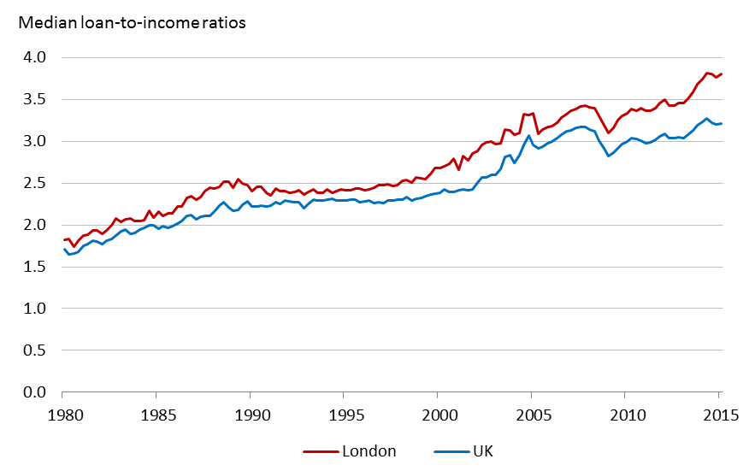

Source: GLA calculations based on CML quarterly data.
Notes: The figures since 1993 are not strictly comparable with earlier ones because of material differences in reporting methodologies and the sample of lenders.

Fig 13
Figure 13: Mortgage affordability in London, 1980-2015

Data not available to publish.
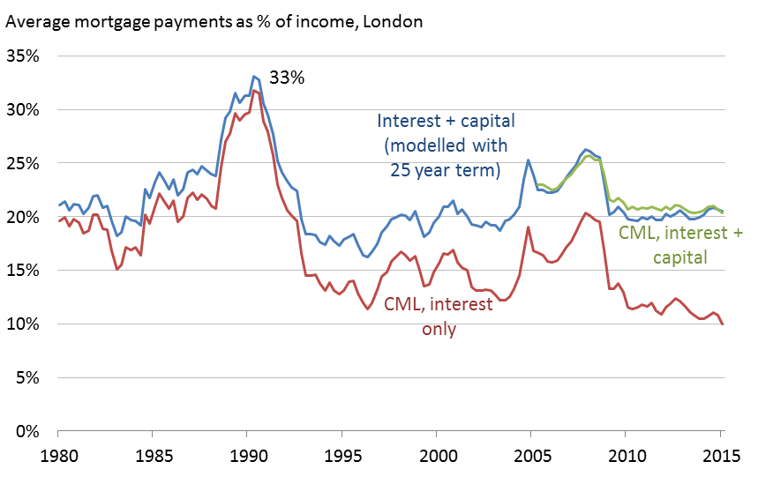

Source: GLA calculations based on CML quarterly data.
Notes: data is based on all home buyers including first-time buyers and home movers.

Fig 14
Figure 14: Mortgage interest rates in London and the UK, 1980-2015

Data not available to publish.
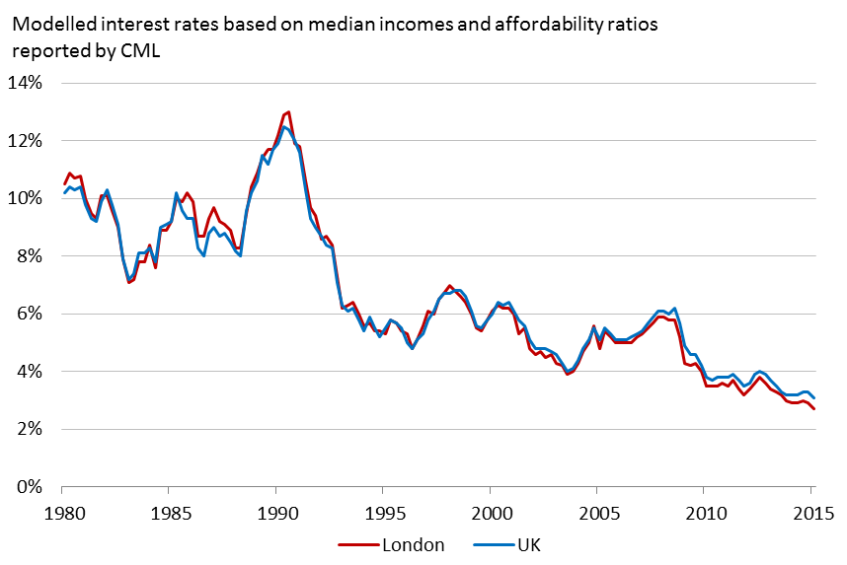

Source: GLA calculations based on CML quarterly data.
Notes: mortgage interest rates are calculated based on CML data on the size of mortgage advance, borrower income and the interest payments as a per cent of income.
Data is based on all home buyers.

Fig 15
Figure 15: Mortgage arrears in the UK, 2008-2015 (2.5 per cent or more of the balance outstanding)

Data not available to publish.
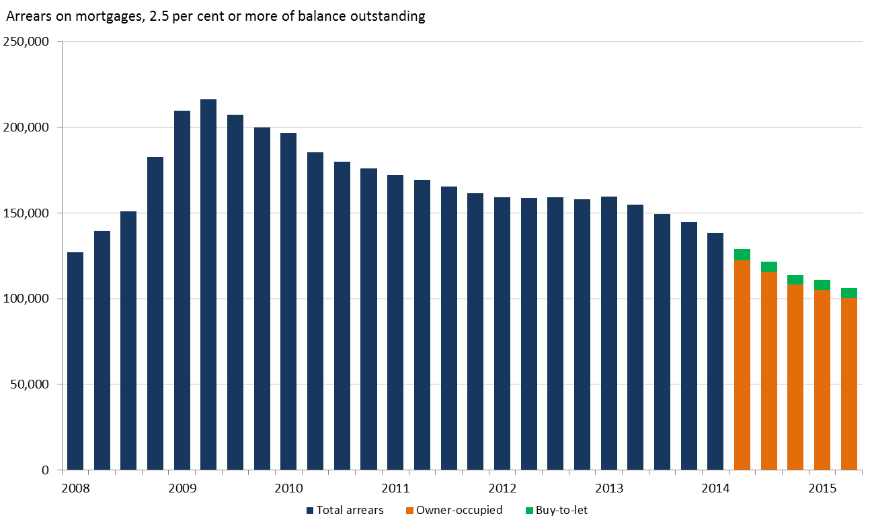

Source: Council of Mortgage Lenders.
Notes: CML arrears figures are for the UK as a whole. No breakdown of data is available for the regions or for individual countries within the UK.

Fig 16
Figure 16: Housing costs as a share of disposable household incomes in London, 1995-2014

£pw equivalised in 2013/14 prices |  |  |  |  |  |  |  |  |  |  |  |  |  |  |  |  |  | Source: FRS
 | 95-97 | 96-98 | 97-99 | 98-00 | 99-01 | 00-02 | 01-03 | 02-04 | 03-05 | 04-06 | 05-07 | 06-08 | 07-09 | 08-10 | 09-11 | 10-12 | 11-13 | 12-14
Median before housing costs (3-year average)
London | 416 | 415 | 435 | 452 | 476 | 494 | 512 | 522 | 519 | 524 | 525 | 528 | 522 | 523 | 518 | 510 | 503 | 500
UK (4) | 385 | 393 | 403 | 411 | 422 | 438 | 451 | 460 | 463 | 466 | 470 | 473 | 475 | 478 | 475 | 467 | 458 | 453

Median after housing costs (3-year average)
London | 320 | 325 | 342 | 356 | 378 | 400 | 417 | 426 | 424 | 429 | 432 | 440 | 434 | 427 | 413 | 401 | 395 | 386
UK (4) | 318 | 326 | 336 | 345 | 357 | 373 | 389 | 400 | 406 | 411 | 416 | 419 | 420 | 419 | 413 | 404 | 393 | 387

Housing costs as a share of household incomes
London | 23% | 22% | 21% | 21% | 21% | 19% | 19% | 18% | 18% | 18% | 18% | 17% | 17% | 18% | 20% | 21% | 22% | 23%
UK | 17% | 17% | 17% | 16% | 15% | 15% | 14% | 13% | 12% | 12% | 12% | 11% | 12% | 12% | 13% | 14% | 14% | 15%
Average housing costs as a share of household incomes, %

Source: Family Resources Survey.
Notes:
1. Figures are for the United Kingdom from 2002/03 onwards. Earlier years are for Great Britain only.
2. This report and tables are the first to use grossing factors based on 2011 Census data. Figures have been revised back to 2002/03 using these new grossing factors.
3. Small changes in estimates from year to year, particularly at the bottom of the income distribution, may not be significant in view of data uncertainties; see Chapter 8 for further details.
4. The all individuals figures here are three-year averages and are therefore not directly comparable with the figures in other tables.
5. Housing costs are made up of: rent (gross of housing benefit); water rates, community water charges and council water charges; mortgage interest, payments (net of tax relief); structural insurance premiums (for owner occupiers); and ground rent and service charges.

Fig 17
Figure 17: Deposit to income ratio for first-time buyers, 1980-2014

Data not available to publish.
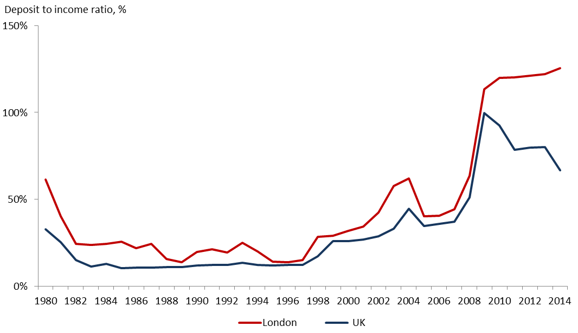

Sources: GLA calculations based on CML annual data for first-time buyers.
Notes: median deposit value is calculated based on CML data on the size of the advance and its proportion as a share of the total purchase price.

Fig 18
Figure 18: First-time buyer loans for house purchases in London, 1980-2014

Data not available to publish.
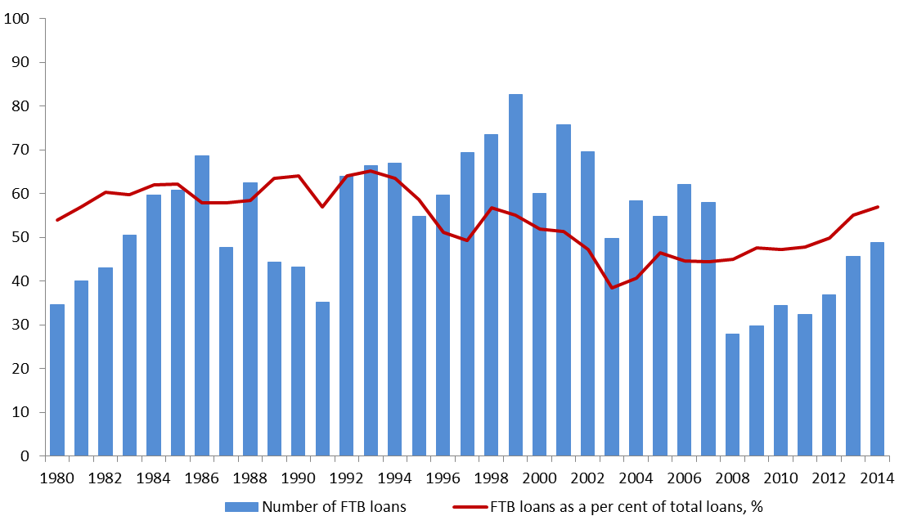

Sources: CML Regulated Mortgage Survey, annual data for first-time buyers.
Notes: First time buyer numbers will include some buyers who have previously owned a property before, but are not in owner-occupation at the time of this purchase.
Estimates from the English Housing Survey suggest that that around 20 per cent of stated first-time buyers may fall into this category.

Fig 19
Figure 19: The estimated impact of higher mortgage interest rates on levels of affordability

Data not available to publish.
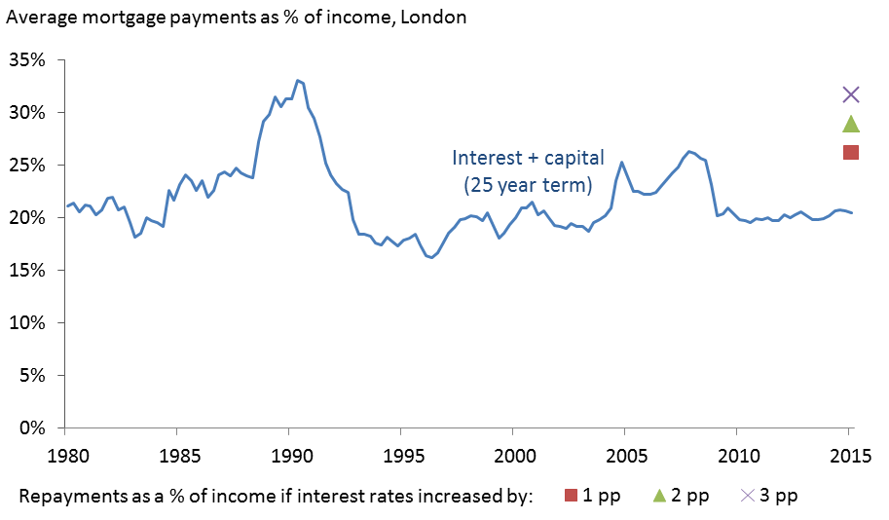

Source: GLA calculations based on Council of Mortgage Lenders, quarterly data.
Notes: data is based on all home buyers including first-time buyers and home movers.
Modelled interest plus capital repayments assumes an average mortgage length of 25 years.

Fig 20
Figure 20: Cumulative growth in population, households and housing stock in London since 1991

 | Population | Housing stock | Households | Number of people | Number of dwellings | Number of households | ONS real house prices
1991 | 0.0% | 0.0% | 0.0% | 6,829 | 2,912,000 | 2,795,640 | 55.3
1992 | 0.0% | 0.8% | 0.1% | 6,829 | 2,934,000 | 2,797,404 | 47.9
Cumulative (%) growth in London
1993 | 0.2% | 1.4% | 0.3% | 6,845 | 2,953,000 | 2,804,159 | 46.4
1994 | 0.6% | 2.0% | 0.5% | 6,874 | 2,972,000 | 2,808,601 | 47.6
1995 | 1.2% | 2.7% | 0.9% | 6,913 | 2,990,000 | 2,821,118 | 46.5
1996 | 2.1% | 3.3% | 1.7% | 6,974 | 3,009,000 | 2,843,469 | 46.7
1997 | 2.7% | 3.9% | 2.2% | 7,015 | 3,026,000 | 2,857,550 | 52.0
1998 | 3.4% | 4.3% | 3.0% | 7,066 | 3,041,000 | 2,881,346 | 57.6
1999 | 4.7% | 4.9% | 4.7% | 7,154 | 3,059,000 | 2,930,597 | 70.1
2000 | 5.8% | 5.4% | 6.5% | 7,237 | 3,074,000 | 2,982,918 | 80.4
2001 | 7.0% | 6.0% | 8.3% | 7,322 | 3,090,000 | 3,036,131 | 87.2
2002 | 7.7% | 6.6% | 8.8% | 7,377 | 3,110,000 | 3,050,581 | 94.3
2003 | 8.0% | 7.3% | 8.7% | 7,395 | 3,132,000 | 3,048,326 | 100.0
2004 | 8.5% | 8.1% | 8.8% | 7,433 | 3,158,000 | 3,050,918 | 104.1
2005 | 9.7% | 9.0% | 9.6% | 7,519 | 3,184,000 | 3,076,380 | 104.1
2006 | 10.7% | 9.9% | 10.3% | 7,598 | 3,213,000 | 3,095,781 | 108.1
2007 | 12.0% | 10.8% | 11.0% | 7,694 | 3,244,000 | 3,117,868 | 119.7
2008 | 13.5% | 11.8% | 12.1% | 7,812 | 3,276,000 | 3,151,555 | 115.9
2009 | 15.2% | 12.8% | 13.5% | 7,943 | 3,308,000 | 3,195,766 | 106.7
2010 | 16.7% | 13.6% | 14.6% | 8,062 | 3,336,000 | 3,231,636 | 114.2
2011 | 18.5% | 14.3% | 16.0% | 8,204 | 3,358,000 | 3,278,351 | 111.6
2012 | 19.7% | 15.0% | 17.5% | 8,308 | 3,383,000 | 3,326,040 | 113.2
2013 | 21.6% | 15.7% | 19.0% | 8,462 | 3,404,000 | 3,375,108 | 119.3
2014 | 22.7% | 16.4% | 20.4% | 8,557 | 3,428,000 | 3,424,456 | 136.8

Sources: Population: ONS mid-year estimates, 1991-2014
Households: 1991-2010 calculated by GLA, 2011-2014 based on GLA central population projection.
Housing stock: 2001-2014 from DCLG housing table 125. 1991-2001 from DCLG table 109. Figures for 1991, 2001 and 2011 are from the Census.
House prices: ONS mix-adjusted house price index.
Notes: The estimated population of an area includes all people who usually live there, irrespective of their nationality.
People arriving into an area are only included if their stay in the UK is 12 months or more.
The house-price index is deflated by retail prices and rebased at 100 to take account of the effects of inflation on purchasing power.

Fig 21
Figure 21: New house building and real house prices in London, 1990-2014

 | Started |  |  |  |  | Completions
Year | Private starts | Housing Associations | Local Authorities | Starts | Private completions | Housing Associations | Local Authorities | Completions | Year-on-year change in completions | Mix-adjusted HPI (real prices, 2003=100)
1990 | 7,150 | 2,410 | 290 | 9,860 | 13,790 | 2,140 | 1,970 | 17,900 |  | 60.9
1991 | 7,930 | 3,420 | 130 | 11,480 | 12,840 | 2,720 | 720 | 16,280 | -9% | 55.3
1992 | 7,120 | 4,850 | - | 11,970 | 11,370 | 3,940 | 250 | 15,560 | -4% | 47.9
1993 | 8,060 | 6,710 | 260 | 15,020 | 8,870 | 5,220 | 100 | 14,190 | -9% | 46.4
1994 | 10,640 | 6,310 | 20 | 16,970 | 9,220 | 5,760 | 280 | 15,270 | 8% | 47.6
1995 | 7,730 | 3,870 | 60 | 11,650 | 11,110 | 5,180 | 80 | 16,350 | 7% | 46.5
1996 | 8,880 | 4,120 | - | 12,990 | 8,310 | 5,450 | 20 | 13,790 | -16% | 46.7
1997 | 10,010 | 4,840 | 50 | 14,880 | 9,050 | 4,050 | 50 | 13,140 | -5% | 52.0
1998 | 11,660 | 2,910 | - | 14,560 | 10,560 | 3,570 | 40 | 14,160 | 8% | 57.6
1999 | 11,280 | 4,010 | - | 15,300 | 10,720 | 3,170 | - | 13,890 | -2% | 70.1
2000 | 11,990 | 3,140 | 20 | 15,140 | 9,830 | 3,700 | - | 13,530 | -3% | 80.4
2001 | 13,740 | 3,030 | 120 | 16,890 | 10,970 | 3,670 | 110 | 14,730 | 9% | 87.2
2002 | 12,320 | 3,990 | 30 | 16,340 | 11,300 | 4,290 | 60 | 15,650 | 6% | 94.3
2003 | 13,570 | 4,410 | - | 17,980 | 14,960 | 3,390 | 20 | 18,360 | 17% | 100.0
2004 | 17,110 | 6,690 | 80 | 23,870 | 17,700 | 6,480 | 10 | 24,190 | 32% | 104.0
2005 | 16,560 | 6,340 | 20 | 22,900 | 13,050 | 5,200 | - | 18,250 | -25% | 104.1
2006 | 12,250 | 7,290 | 30 | 19,560 | 13,960 | 7,110 | - | 21,070 | 15% | 108.1
2007 | 16,060 | 5,470 | 20 | 21,540 | 15,230 | 7,940 | 30 | 23,190 | 10% | 119.7
2008 | 10,660 | 6,620 | - | 17,270 | 13,190 | 7,890 | 10 | 21,080 | -9.1% | 115.9
2009 | 8,830 | 5,320 | 10 | 14,140 | 14,340 | 7,180 | 10 | 21,520 | 2% | 106.7
2010 | 10,170 | 7,270 | 310 | 17,740 | 8,870 | 6,120 | 210 | 15,210 | -29% | 114.2
2011 | 13,210 | 6,390 | 490 | 20,080 | 10,670 | 6,660 | 350 | 17,690 | 16% | 111.6
2012 | 11,220 | 5,000 | 280 | 16,510 | 12,310 | 8,500 | 570 | 21,370 | 21% | 113.2
2013 | 13,040 | 6,250 | 420 | 19,700 | 11,460 | 5,100 | 30 | 16,600 | -22% | 119.3
2014 | 14,440 | 5,730 | 1,200 | 21,370 | 12,210 | 5,660 | 50 | 17,940 | 8% | 136.8

Number of permanent dwellings started and completed

Source: DCLG house building statistics, tables 217 and 255a based on P2 returns from local authorities, National House-Building Council (NHBC) and approved inspector data returns.
ONS mix-adjusted house price index reference table 33.
Notes: The house-price index is deflated by retail prices and rebased at 100 to take account of the effects of inflation on purchasing power.

Fig 22
Figure 22: New house building and house prices in London, 1969-2014

Housing completions in Greater London
 | Private sector |  | Local Authorities |  | Housing Associations |  | Real HPI (2003 prices)
1969 | 8,198 | 1969 | 22,448 | 1969 | 2,092 | 1969 | 26.0
1970 | 8,769 | 1970 | 27,235 | 1970 | 1,432 | 1970 | 26.8
1971 | 8,342 | 1971 | 23,142 | 1971 | 2,373 | 1971 | 28.2
1972 | 7,452 | 1972 | 19,033 | 1972 | 1,939 | 1972 | 37.5
1973 | 7,718 | 1973 | 15,686 | 1973 | 1,314 | 1973 | 44.5
1974 | 6,991 | 1974 | 19,728 | 1974 | 1,922 | 1974 | 39.5
1975 | 8,513 | 1975 | 18,909 | 1975 | 2,769 | 1975 | 32.6
1976 | 6,063 | 1976 | 22,675 | 1976 | 2,840 | 1976 | 29.9
1977 | 6,590 | 1977 | 22,554 | 1977 | 2,628 | 1977 | 27.8
1978 | 5,291 | 1978 | 19,613 | 1978 | 1,534 | 1978 | 30.5
1979 | 3,773 | 1979 | 15,372 | 1979 | 2,038 | 1979 | 35.9
1980 | 4,426 | 1980 | 16,249 | 1980 | 2,402 | 1980 | 37.0
1981 | 4,021 | 1981 | 13,406 | 1981 | 1,979 | 1981 | 34.1
1982 | 5,807 | 1982 | 7,254 | 1982 | 1,612 | 1982 | 31.9
1983 | 7,289 | 1983 | 5,149 | 1983 | 1,563 | 1983 | 34.4
1984 | 7,185 | 1984 | 3,494 | 1984 | 1,560 | 1984 | 38.0
1985 | 6,457 | 1985 | 2,773 | 1985 | 1,122 | 1985 | 40.8
1986 | 8,488 | 1986 | 2,337 | 1986 | 700 | 1986 | 48.1
1987 | 10,787 | 1987 | 1,260 | 1987 | 1,142 | 1987 | 57.5
1988 | 12,039 | 1988 | 1,401 | 1988 | 1,204 | 1988 | 67.5
1989 | 12,469 | 1989 | 1,344 | 1989 | 1,521 | 1989 | 68.0
1990 | 13,790 | 1990 | 1,970 | 1990 | 2,140 | 1990 | 61.0
1991 | 12,840 | 1991 | 720 | 1991 | 2,720 | 1991 | 55.3
1992 | 11,370 | 1992 | 250 | 1992 | 3,940 | 1992 | 47.9
1993 | 8,870 | 1993 | 100 | 1993 | 5,220 | 1993 | 46.4
1994 | 9,220 | 1994 | 280 | 1994 | 5,760 | 1994 | 47.6
1995 | 11,110 | 1995 | 80 | 1995 | 5,180 | 1995 | 46.5
1996 | 8,310 | 1996 | 20 | 1996 | 5,450 | 1996 | 46.7
1997 | 9,050 | 1997 | 50 | 1997 | 4,050 | 1997 | 52.0
1998 | 10,560 | 1998 | 40 | 1998 | 3,570 | 1998 | 57.6
1999 | 10,720 | 1999 | - | 1999 | 3,170 | 1999 | 70.1
2000 | 9,830 | 2000 | - | 2000 | 3,700 | 2000 | 80.4
2001 | 10,970 | 2001 | 110 | 2001 | 3,670 | 2001 | 87.2
2002 | 11,300 | 2002 | 60 | 2002 | 4,290 | 2002 | 94.3
2003 | 14,960 | 2003 | 20 | 2003 | 3,390 | 2003 | 100.0
2004 | 17,700 | 2004 | 10 | 2004 | 6,480 | 2004 | 104.1
2005 | 13,050 | 2005 | - | 2005 | 5,200 | 2005 | 104.1
2006 | 13,960 | 2006 | - | 2006 | 7,110 | 2006 | 108.1
2007 | 15,230 | 2007 | 30 | 2007 | 7,940 | 2007 | 119.7
2008 | 13,190 | 2008 | 10 | 2008 | 7,890 | 2008 | 115.9
2009 | 14,340 | 2009 | 10 | 2009 | 7,180 | 2009 | 106.7
2010 | 8,870 | 2010 | 210 | 2010 | 6,120 | 2010 | 114.2
2011 | 10,670 | 2011 | 350 | 2011 | 6,660 | 2011 | 111.6
2012 | 12,310 | 2012 | 570 | 2012 | 8,500 | 2012 | 113.2
2013 | 11,460 | 2013 | 30 | 2013 | 5,100 | 2013 | 119.3
2014 | 12,210 | 2014 | 50 | 2014 | 5,660 |  | 136.8
Year | Private sector | Housing Associations | Local Authorities | Total
1871 |  |  |  | 8,693
1872 |  |  |  | 11,179
1873 |  |  |  | 7,687
1874 |  |  |  | 7,764
1875 |  |  |  | 10,023
1876 |  |  |  | 12,938
1877 |  |  |  | 14,410
1878 |  |  |  | 17,127
1879 |  |  |  | 21,589
1880 |  |  |  | 24,945
1881 |  |  |  | 26,170
1882 |  |  |  | 23,301
1883 |  |  |  | 21,110
1884 |  |  |  | 18,428
1885 |  |  |  | 15,754
1886 |  |  |  | 12,252
1887 |  |  |  | 12,478
1888 |  |  |  | 12,426
1889 |  |  |  | 11,829
1890 |  |  |  | 10,935
1891 |  |  |  | 12,105
1892 |  |  |  | 11,200
1893 |  |  |  | 12,830
1894 |  |  |  | 12,874
1895 |  |  |  | 13,141
1896 |  |  |  | 16,894
1897 |  |  |  | 18,529
1898 |  |  |  | 24,838
1899 |  |  |  | 27,381
1900 |  |  |  | 25,161
1901 |  |  |  | 27,174
1902 |  |  |  | 25,480
1903 |  |  |  | 26,420
1904 |  |  |  | 23,269
1905 |  |  |  | 21,970
1906 |  |  |  | 21,415
1907 |  |  |  | 19,211
1908 |  |  |  | 13,377
1909 |  |  |  | 13,343
1910 |  |  |  | 11,757
1911 |  |  |  | 10,027
1912 |  |  |  | 8,006
1913 |  |  |  | 8,579
1914 |  |  |  | 8,299
1915 |  |  |  | 5,549
1916 |  |  |  | 3,642
1917 |  |  |  | -
1918 |  |  |  | -
1919 |  |  |  | -
1920 |  |  |  | 2,642
1921 |  |  |  | 12,927
1922 |  |  |  | 16,907
1923 |  |  |  | 10,268
1924 |  |  |  | 17,441
1925 |  |  |  | 23,481
1926 |  |  |  | 33,529
1927 |  |  |  | 41,808
1928 |  |  |  | 42,381
1929 |  |  |  | 42,688
1930 |  |  |  | 50,183
1931 |  |  |  | 55,512
1932 |  |  |  | 44,613
1933 |  |  |  | 54,409
1934 |  |  |  | 80,612
1935 |  |  |  | 75,676
1936 |  |  |  | 78,838
1937 |  |  |  | 69,095
1938 |  |  |  | 66,472
1939 |  |  |  | 39,192
1940 |  |  |  | 8,500
1941 |  |  |  | 1,703
1942 |  |  |  | 774
1943 |  |  |  | 724
1944 |  |  |  | 857
1945 |  |  |  | 289
1946 |  |  |  | 4,433
1947 |  |  |  | 10,877
1948 |  |  |  | 17,423
1949 |  |  |  | 14,590
1950 |  |  |  | 14,701
1951 |  |  |  | 14,606
1952 |  |  |  | 17,724
1953 |  |  |  | 23,731
1954 |  |  |  | 26,380
1955 |  |  |  | 24,301
1956 |  |  |  | 23,049
1957 |  |  |  | 23,072
1958 |  |  |  | 20,804
1959 |  |  |  | 21,474
1960 |  |  |  | 23,186
1961 | 9,557 | 310 | 13,177 | 23,044
1962 | 9,133 | 497 | 13,895 | 23,525
1963 | 9,564 | 488 | 14,314 | 24,366
1964 | 11,482 | 559 | 14,475 | 26,516
1965 | 10,802 | 473 | 17,782 | 29,057
1966 | 10,770 | 1,012 | 19,859 | 31,641
1967 | 9,943 | 751 | 21,847 | 32,541
1968 | 10,273 | 944 | 21,770 | 32,987
1969 | 8,198 | 2,092 | 22,448 | 32,738
1970 | 8,769 | 1,432 | 27,235 | 37,436
1971 | 8,342 | 2,373 | 23,142 | 33,857
1972 | 7,452 | 1,939 | 19,033 | 28,424
1973 | 7,718 | 1,314 | 15,686 | 24,718
1974 | 6,991 | 1,922 | 19,728 | 28,641
1975 | 8,513 | 2,769 | 18,909 | 30,191
1976 | 6,063 | 2,840 | 22,675 | 31,578
1977 | 6,590 | 2,628 | 22,554 | 31,772
1978 | 5,291 | 1,534 | 19,613 | 26,438
1979 | 3,773 | 2,038 | 15,372 | 21,183
1980 | 4,426 | 2,402 | 16,249 | 23,077
1981 | 4,021 | 1,979 | 13,406 | 19,406
1982 | 5,807 | 1,612 | 7,254 | 14,673
1983 | 7,289 | 1,563 | 5,149 | 14,001
1984 | 7,185 | 1,560 | 3,494 | 12,239
1985 | 6,457 | 1,122 | 2,773 | 10,352
1986 | 8,488 | 700 | 2,337 | 11,525
1987 | 10,787 | 1,142 | 1,260 | 13,189
1988 | 12,039 | 1,204 | 1,401 | 14,644
1989 | 12,469 | 1,521 | 1,344 | 15,334
1990 | 13,790 | 2,140 | 1,970 | 17,900
1991 | 12,840 | 2,720 | 720 | 16,280
1992 | 11,370 | 3,940 | 250 | 15,560
1993 | 8,870 | 5,220 | 100 | 14,190
1994 | 9,220 | 5,760 | 280 | 15,270
1995 | 11,110 | 5,180 | 80 | 16,350
1996 | 8,310 | 5,450 | 20 | 13,790
1997 | 9,050 | 4,050 | 50 | 13,140
1998 | 10,560 | 3,570 | 40 | 14,160
1999 | 10,720 | 3,170 | - | 13,890
2000 | 9,830 | 3,700 | - | 13,530
2001 | 10,970 | 3,670 | 110 | 14,730
2002 | 11,300 | 4,290 | 60 | 15,650
2003 | 14,960 | 3,390 | 20 | 18,360
2004 | 17,700 | 6,480 | 10 | 24,190
2005 | 13,050 | 5,200 | - | 18,250
2006 | 13,960 | 7,110 | - | 21,070
2007 | 15,230 | 7,940 | 30 | 23,190
2008 | 13,190 | 7,890 | 10 | 21,080
2009 | 14,340 | 7,180 | 10 | 21,520
2010 | 8,870 | 6,120 | 210 | 15,210
2011 | 10,670 | 6,660 | 350 | 17,690
2012 | 12,310 | 8,500 | 570 | 21,370
2013 | 11,460 | 5,100 | 30 | 16,600
2014 | 12,210 | 5,660 | 50 | 17,940

Source: DCLG house building statistics, tables 217 and 255a based on P2 returns from local authorities, National House-Building Council (NHBC) and approved inspector data returns.
ONS mix-adjusted house price index reference table 33.
Notes: The house-price index is deflated by retail prices and rebased at 100 to take account of the effects of inflation on purchasing power.

Fig 23
Figure 23: Gross new house building and change in dwelling stock in London by decade

 | Gross new building | Dwelling stock change (Census)
1961-71 | 293,851 | 190,458
1971-81 | 279,879 | 112,860
1981-91 | 141,800 | 200,062
1991-01 | 146,420 | 176,440
2001-11 | 193,490 | 267,761
2011-14 | 56,440 | 69,837

Sources: DCLG house building statistics, and Census data from 1961 to 2011.
Data on dwelling stock change for 2011-2014 are based on local authority estimates in DCLG table 125.

Fig 24
Figure 24: Gross new house building and change in dwelling stock in London, annual averages

Annual average
 | Gross new building | Dwelling stock change (Census)
1961-71 | 29,385 | 19,046
1971-81 | 27,988 | 11,286
1981-91 | 14,180 | 20,006
1991-01 | 14,642 | 17,644
2001-11 | 19,349 | 26,776
2011-14 | 18,813 | 23,279

Sources: DCLG house building statistics, and Census data from 1961 to 2011.
Data on dwelling stock change for 2011-2014 are based on local authority estimates in DCLG table 125.

Table_Figure A1.1
Table A1.1: Median house price to rent ratio and rental yields by London borough, 2014

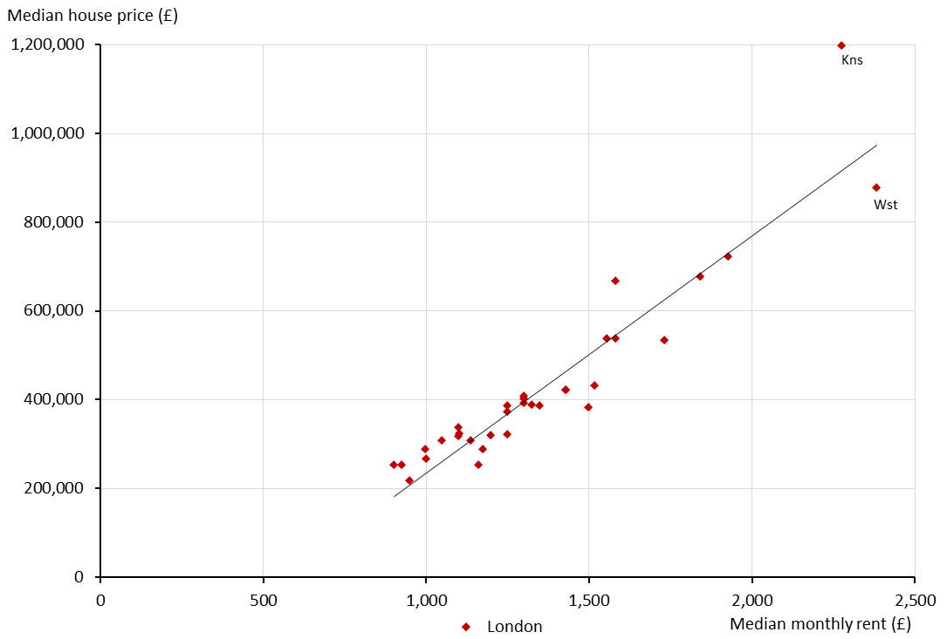
 | Median monthly rent | Median house price | House price: rent ratio | Rental yield (gross)
Barking and Dagenham | 950 | 215,000 | 226 | 5.3%
Barnet | 1,300 | 400,000 | 308 | 3.9%
Bexley | 900 | 250,000 | 278 | 4.3%
Brent | 1,350 | 377,000 | 285 | 4.2%
Bromley | 1,100 | 335,000 | 305 | 3.9%
Camden | 1,840 | 665,000 | 366 | 3.3%
City of London | 1,930 | 724,000 | 373 | 3.2%
Croydon | 1,000 | 265,000 | 265 | 4.5%
Ealing | 1,300 | 385,000 | 300 | 4.0%
Enfield | 1,180 | 282,000 | 243 | 4.9%
Greenwich | 1,200 | 315,000 | 265 | 4.5%
Hackney | 1,520 | 430,000 | 283 | 4.2%
Hammersmith and Fulham | 1,580 | 642,000 | 420 | 2.9%
Haringey | 1,300 | 405,000 | 312 | 3.8%
Harrow | 1,250 | 369,000 | 296 | 4.0%
Havering | 930 | 250,000 | 270 | 4.4%
Hillingdon | 1,140 | 302,000 | 269 | 4.5%
Hounslow | 1,250 | 317,000 | 256 | 4.7%
Islington | 1,730 | 529,000 | 308 | 3.9%
Kensington and Chelsea | 2,280 | 1,198,000 | 525 | 2.3%
Kingston upon Thames | 1,250 | 385,000 | 308 | 3.9%
Lambeth | 1,430 | 420,000 | 294 | 4.1%
Lewisham | 1,100 | 315,000 | 286 | 4.2%
Merton | 1,330 | 385,000 | 291 | 4.1%
Newham | 1,160 | 250,000 | 216 | 5.6%
Redbridge | 1,050 | 300,000 | 290 | 4.1%
Richmond upon Thames | 1,560 | 536,000 | 344 | 3.5%
Southwark | 1,430 | 410,000 | 294 | 4.1%
Sutton | 1,000 | 285,000 | 286 | 4.2%
Tower Hamlets | 1,500 | 380,000 | 253 | 4.7%
Waltham Forest | 1,101 | 320,000 | 292 | 4.1%
Wandsworth | 1,582 | 533,000 | 338 | 3.5%
Westminster | 2,383 | 857,000 | 367 | 3.3%
London | 1,300 | 364,000 | 280 | 4.3%
England | 595 | 195,000 | 328 | 3.7%

Sources: GLA Economics calculations based on Land Registry price paid data 2014, and VOA private rents 2013/14.
Notes: Rents are rounded to the nearest 10, house prices to the nearest 1,000.
Variations across areas may be influenced by differences in the sample composition rather than true differences in the rents.

Figure A1.2
Figure A1.2: Long term trend in London household tenure, 1961 to 2011

 | Owner occupied | Social rented | Private rented
1961 | 36 | 18 | 46
1971 | 41 | 25 | 34
1981 | 49 | 35 | 17
1991 | 57 | 29 | 14
2001 | 59 | 26 | 15
2011 | 50 | 24 | 25

Sources: GLA analysis of historical Census data.
Notes: households renting from housing associations were included with private renting in 1961 and 1971.

Figure A2.1
Figure A2.1 Trends in international buyers (resales)
 | 2005 | 2006 | 2007 | 2008 | 2009 | 2010 | 2011 | 2012-13 | 2014
UK | 77% | 76% | 74% | 76% | 76% | 73% | 69% | 62% | 60%
Non-UK | 23% | 24% | 26% | 24% | 24% | 27% | 31% | 38% | 40%

Source: Savills, ‘World in London 2013’ and 'World in London 2015'

Figure A2.2
Figure A2.2: Map of international buyers in prime London (resale market)

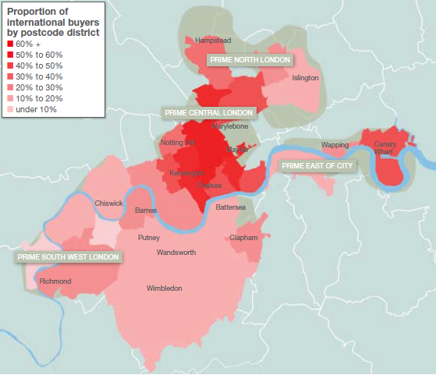

Source: Savills, ‘World in London 2012’

Figure A2.3
Figure A2.3 Prime central London buyers (new build and resales), prime sales split by residence, 12 months to June 2013

Europe | 23%
Middle East | 19%
Russia & CIS | 17%
North America | 12%
India | 5%
Asia | 17%
Rest of world | 6%
 | Region of buyer | Region of non-resident buyer
Europe | 6.4% | 23%
Middle East | 5.4% | 19%
Russia & CIS | 4.9% | 17%
North America | 3.5% | 12%
India | 1.5% | 5%
Asia | 4.9% | 17%
Africa | 0.5% | 2%
Australasia | 1.0% | 4%
South America | 0.3% | 1%
Rest of world | 1.8% | 6%
UK | 71.6%

Source: Knight Frank research, 2013
Notes: Sales includes new build developments and second hand sales of existing properties. Rest of world includes Africa, Australasia and South America.

